Sheet9
Charges by Weight & Diabetes
Sum of charges | Column Labels
Row Labels | Diabetes | Normal | Prediabetes | Grand Total
Normal weight | 1726354.48 | 1674180.51 | 841586.97 | 4242121.96
Obesity | 8368678.54 | 8546532.07 | 3608462.31 | 20523672.92
Overweight | 2156107.6 | 2451926.62 | 1004249.63 | 5612283.85
Underweight | 490046.85 | 566702.46 | 157530.57 | 1214279.88
Grand Total | 12741187.47 | 13239341.66 | 5611829.48 | 31592358.61

Weight status | Diabetes | Normal | Prediabetes
Normal weight | 1726354.48 | 1674180.51 | 841586.97
Obesity | 8368678.54 | 8546532.07 | 3608462.31
Overweight | 2156107.6 | 2451926.62 | 1004249.63
Underweight | 490046.85 | 566702.46 | 157530.57

Dashboard
Healthcare Insights Dashboard

 | 1
 | 1

Charges by Weight & Diabetes
 | Diabetes | Normal | Prediabetes
Normal weight | 1726354.48 | 1674180.51 | 841586.97
Obesity | 8368678.54 | 8546532.07 | 3608462.31
Overweight | 2156107.6 | 2451926.62 | 1004249.63
Underweight | 490046.85 | 566702.46 | 157530.57

Cancer History by Smoking Status
Non-smoker-No cancer | 1540
Non-smoker-cancer | 307
Smoker-No cancer | 404
smoker-cancer | 84
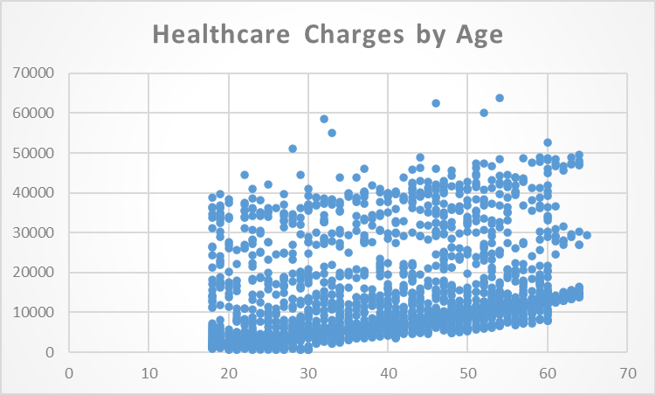

Average Charges by Hospital Tier and State
 | 1 | 1 | 1
BMI and HbA1C Trends by Age
 | 1 | 1

